Instructions
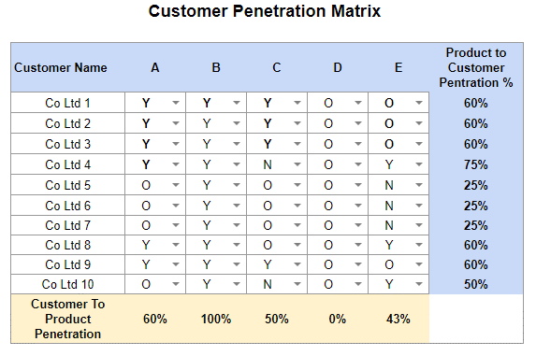
Customer Penetration Matrix - Instructions

1. Across the top list your products
2. In the first column under Customers, copy & paste a list of all your customers. If you’ve got thousands you’ll need to approach this differently by just analysing a good sample, at least 50.
3. Working across a row: a. Has the customer purchased the products from you? Under each mark with a Y for Yes b. If they haven’t, but there’s an opportunity to sell the product to them, mark O for opportunity c. If they haven’t purchased, but it’s not possible for the customer to purchase, mark N for No. This will be where a product isn’t suitable for all customers or you know they do that in-house already.
4. This is now a ‘live’ document and your mission is to turn all the O’s into Yes. It’s worth working out how much that would be worth to the company if your turned all the O’s into sales, and set a goal with the sales team to hit a target within a timeframe.
5. Working with the sales team, how are you going to contact the customers to encourage them to buy these products from you. What offers or incentive could you use with your customers?
6. As you speak to each customer about the 'O's update the matrix with an L = Failed to sell opportunity or W = Won new opportunity with customer
7. Each month meet with your sales team to review, improve & implement…Better Never Stops.

